Plantilla Dt. Sht.
 | ANALISIS COSTO-RIESGO-BENEFICIO PLANES DE INSPECCIÓN ECI-1 BLOQUES DE CONFIABILIDAD, DISPONIBILIDAD Y MANTENIBILIDAD (RAM) BLOCKS DATA SHEETS

Document Name: |  |  |  | EMS Doc Code: |  |  |  | Rev. | Project Code:
Análisis RAM de la ECI-1 |  |  |  | 21008-ASM-AS-AM-RPT-002 |  |  |  | A | 21008-ASM-AS-AM
Project Phase: | Discipline: |  |  | Client Doc Code: |  |  |  | Pags. | Date:
ACRB | Confiabilidad |  |  | 21008-ASM-AS-AM-RPT-002 |  |  |  | 1 de 30 | 2021-10-20

Equipment
TAG | XV-110XX
Description | 9 Vávulas Shutoff
Equipment type | Valves Described By Application Shut-Off

Reliability Information
Data source |  | OREDA |  |  | Source Taxonomy |  |  | 4.4.14

Population | Instalations |  | Aggregated time in service (106 hours)
50 | 5 |  | Calendar time |  |  |  | Operational time
 |  |  | 0.8467 |  |  |  | 0.8404

Failure Modes | No. of Failures | Failure rate (Per 106 hours) |  |  |  |  | Repair [hours] - Calendar
 |  | Lower | Mean | Upper | SD | n/τ | Min | Mean | Max | n/τ |  | 1
All modes (Op. time) | 16 | 1.5 | 27.8 | 82.7 | 27.6 | 19.0 | 0.3 | 4.6 | 11.0

 |  |  | 5% |  | 50% |  | 95%
944.4 | 8.3483227525E-08 | 10,959.9 | 0 | 36,010.1 | 0 | 72,820.9 | 0
1888.7 | 4.0819198622E-07 | 10,959.9 | 2.400431123E-05 | 36,010.1 | 2.400431123E-05 | 72,820.9 | 2.400431123E-05
2833.1 | 9.9516971951E-07
3777.4 | 1.824691805E-06
4721.8 | 2.8620625129E-06
5666.1 | 4.0670733443E-06
6610.5 | 5.3986998064E-06
7554.8 | 6.8176417578E-06
8499.2 | 8.2877051377E-06
9443.5 | 9.7765038281E-06
10387.9 | 1.1255743627E-05
11332.2 | 1.2701244249E-05
12276.6 | 1.4092797434E-05
13220.9 | 1.5413925181E-05
14165.3 | 1.6651580815E-05
15109.6 | 1.7795821797E-05
16054.0 | 1.8839473819E-05
16998.3 | 1.9777799347E-05
17942.7 | 2.0608179289E-05
18887.0 | 2.1329813292E-05
19831.4 | 2.1943441914E-05
20775.7 | 2.2451092326E-05
21720.0 | 2.2855848063E-05
22664.4 | 2.3161642551E-05
23608.7 | 2.3373075593E-05
24553.1 | 2.349525164E-05
25497.4 | 2.3533638461E-05
26441.8 | 2.349394468E-05
27386.1 | 2.3382014612E-05
28330.5 | 2.3203738833E-05
29274.8 | 2.296497894E-05
30219.2 | 2.2671505031E-05
31163.5 | 2.2328944517E-05
32107.9 | 2.1942740957E-05
33052.2 | 2.1518121705E-05
33996.6 | 2.1060073264E-05
34940.9 | 2.0573323329E-05
35885.3 | 2.0062328589E-05
36829.6 | 1.9531267471E-05
37774.0 | 1.8984037063E-05
38718.3 | 1.8424253561E-05
39662.7 | 1.785525564E-05
40607.0 | 1.728011022E-05
41551.4 | 1.6701620181E-05
42495.7 | 1.6122333605E-05
43440.1 | 1.55445542E-05
44384.4 | 1.4970352605E-05
45328.8 | 1.4401578304E-05
46273.1 | 1.3839871931E-05
47217.5 | 1.3286677776E-05
...
 |  |  | 5% |  | 50% |  | 95%
0.2 | 0.23271 | 0.2 | 0 | 4.6 | 0 | 14.1 | 0
0.4 | 0.21372 | 0.2 | 0.23736395608 | 4.6 | 0.23736395608 | 14.1 | 0.23736395608
0.6 | 0.20012
0.8 | 0.18887
1.0 | 0.17903
1.1 | 0.17016
1.3 | 0.16204
1.5 | 0.15453
1.7 | 0.14751
1.9 | 0.14094
2.1 | 0.13474
2.3 | 0.12890
2.5 | 0.12336
2.7 | 0.11811
2.8 | 0.11312
3.0 | 0.10837
3.2 | 0.10385
3.4 | 0.09954
3.6 | 0.09543
3.8 | 0.09151
4.0 | 0.08776
4.2 | 0.08418
4.4 | 0.08076
4.6 | 0.07748
4.8 | 0.07435
4.9 | 0.07135
5.1 | 0.06848
5.3 | 0.06573
5.5 | 0.06310
5.7 | 0.06058
5.9 | 0.05816
6.1 | 0.05584
6.3 | 0.05362
6.5 | 0.05149
6.7 | 0.04945
6.8 | 0.04749
7.0 | 0.04561
7.2 | 0.04381
7.4 | 0.04208
7.6 | 0.04042
7.8 | 0.03883
8.0 | 0.03730
8.2 | 0.03583
8.4 | 0.03442
8.6 | 0.03307
8.7 | 0.03178
8.9 | 0.03053
9.1 | 0.02934
9.3 | 0.02819
9.5 | 0.02709
...
TTF and TTR Probability Density Functions Used in RAM Simulator Software (Raptor)
TTF (Time To Failure) |  |  |  |  | TTR (Time To Repair)
 |  |  |  |  |  |  |  |  |  |  | TTF Plot Parameters |  |  | TTR Plot Parameters
 |  |  |  |  |  |  |  |  |  |  | Lower (5%) | 10,959.9 |  | Lower (5%) | 0.2
 |  |  |  |  |  |  |  |  |  |  | Mean | 36,010.1 |  | Mean | 4.6
 |  |  |  |  |  |  |  |  |  |  | Upper (95%) | 72,820.9 |  | Upper (95%) | 14.1
 |  |  |  |  |  |  |  |  |  |  | SD | 19,474.7 |  | SD | 4.8

 |  |  |  |  |  |  |  |  |  |  | Xmin, graf | 0.0 |  | Xmin, graf | 0.0
 |  |  |  |  |  |  |  |  |  |  | Xmax,graf | 94435.0 |  | Xmax,graf | 19.0
 |  |  |  |  |  |  |  |  |  |  | Delta,x | 944.4 |  | Delta,x | 0.2
 |  |  |  |  |  |  |  |  |  |  | Parametro 1 | 3.4 |  | Parametro 1 | 0.9
 |  |  |  |  |  |  |  |  |  |  | Parametro 2 | 10,532.2 |  | Parametro 2 | 4.9

 |  |  |  |  |  |  |  |  |  |  | TTF 5%, Mean and 95% Lines |  |  | TTF 5%, Mean and 95% Lines
 |  |  |  |  |  |  |  |  |  |  | 5% | 10,959.9 | 0 | 5% | 0.2 | 0
 |  |  |  |  |  |  |  |  |  |  | 5% | 10,959.9 | 2.400431123E-05 | 5% | 0.2 | 0.23736395608
Distribution |  | Gamma |  |  | Distribution |  |  | Gamma |  |  | Mean | 36,010.1 | 0 | Mean | 4.6 | 0
Parameter 1 (Shape) |  | 3.4 |  |  | Parameter 1 (Shape) |  |  | 0.9 |  |  | Mean | 36,010.1 | 2.400431123E-05 | Mean | 4.6 | 0.23736395608
Parameter 2 (Scale) |  | 10,532.2 |  |  | Parameter 2 (Scale) |  |  | 4.9 |  |  | 95% | 72,820.9 | 0 | 95% | 14.1 | 0
Parameter 3 (Location) |  | 0.0 |  |  | Parameter 3 (Location) |  |  | 0.0 |  |  | 95% | 72,820.9 | 2.400431123E-05 | 95% | 14.1 | 0.23736395608
Lower (5%) |  | 10,959.9 |  |  | Lower (5%) |  |  | 0.2
Median (50%) |  | 32,567.0 |  |  | Median (50%) |  |  | 3.1
Upper (95%) |  | 72,820.9 |  |  | Upper (95%) |  |  | 14.1 |  |  | TTF Function Plot |  |  | TTF Function Plot
Mean |  | 36,010.1 |  |  | Mean |  |  | 4.6 |  |  |  | X | Y |  | X | Y
Standard Deviation (SD) |  | 19,474.7 |  |  | Standard Deviation (SD) |  |  | 4.8 |  |  | 1 | 0.0 | 0 | 1 | 0.0
Variance |  | 379,265,451.2 |  |  | Variance |  |  | 22.7 |  |  | 2 | 944.4 | 8.3483227525E-08 | 2 | 0.2 | 0.23271
 |  |  |  |  |  |  |  |  |  |  | 3 | 1888.7 | 4.0819198622E-07 | 3 | 0.4 | 0.21372
Comments |  |  |  |  |  |  |  |  |  |  | 4 | 2833.1 | 9.9516971951E-07 | 4 | 0.6 | 0.20012
0 |  |  |  |  |  |  |  |  |  |  | 5 | 3777.4 | 1.824691805E-06 | 5 | 0.8 | 0.18887
 |  |  |  |  |  |  |  |  |  |  | 6 | 4721.8 | 2.8620625129E-06 | 6 | 1.0 | 0.17903
 |  |  |  |  |  |  |  |  |  |  | 7 | 5666.1 | 4.0670733443E-06 | 7 | 1.1 | 0.17016
 |  |  |  |  |  |  |  |  |  |  | 8 | 6610.5 | 5.3986998064E-06 | 8 | 1.3 | 0.16204
 |  |  |  |  |  |  |  |  |  |  | 9 | 7554.8 | 6.8176417578E-06 | 9 | 1.5 | 0.15453
 |  |  |  |  |  |  |  |  |  |  | 10 | 8499.2 | 8.2877051377E-06 | 10 | 1.7 | 0.14751
 |  |  |  |  |  |  |  |  |  |  | 11 | 9443.5 | 9.7765038281E-06 | 11 | 1.9 | 0.14094
 |  |  |  |  |  |  |  |  |  |  | 12 | 10387.9 | 1.1255743627E-05 | 12 | 2.1 | 0.13474
 |  |  |  |  |  |  |  |  |  |  | 13 | 11332.2 | 1.2701244249E-05 | 13 | 2.3 | 0.12890
 |  |  |  |  |  |  |  |  |  |  | 14 | 12276.6 | 1.4092797434E-05 | 14 | 2.5 | 0.12336
 |  |  |  |  |  |  |  |  |  |  | 15 | 13220.9 | 1.5413925181E-05 | 15 | 2.7 | 0.11811
 |  |  |  |  |  |  |  |  |  |  | 16 | 14165.3 | 1.6651580815E-05 | 16 | 2.8 | 0.11312
 |  |  |  |  |  |  |  |  |  |  | 17 | 15109.6 | 1.7795821797E-05 | 17 | 3.0 | 0.10837
 |  |  |  |  |  |  |  |  |  |  | 18 | 16054.0 | 1.8839473819E-05 | 18 | 3.2 | 0.10385
 |  |  |  |  |  |  |  |  |  |  | 19 | 16998.3 | 1.9777799347E-05 | 19 | 3.4 | 0.09954
 |  |  |  |  |  |  |  |  |  |  | 20 | 17942.7 | 2.0608179289E-05 | 20 | 3.6 | 0.09543
 |  |  |  |  |  |  |  |  |  |  | 21 | 18887.0 | 2.1329813292E-05 | 21 | 3.8 | 0.09151
 |  |  |  |  |  |  |  |  |  |  | 22 | 19831.4 | 2.1943441914E-05 | 22 | 4.0 | 0.08776
 |  |  |  |  |  |  |  |  |  |  | 23 | 20775.7 | 2.2451092326E-05 | 23 | 4.2 | 0.08418
 |  |  |  |  |  |  |  |  |  |  | 24 | 21720.0 | 2.2855848063E-05 | 24 | 4.4 | 0.08076
 |  |  |  |  |  |  |  |  |  |  | 25 | 22664.4 | 2.3161642551E-05 | 25 | 4.6 | 0.07748
 |  |  |  |  |  |  |  |  |  |  | 26 | 23608.7 | 2.3373075593E-05 | 26 | 4.8 | 0.07435
 |  |  |  |  |  |  |  |  |  |  | 27 | 24553.1 | 2.349525164E-05 | 27 | 4.9 | 0.07135
 |  |  |  |  |  |  |  |  |  |  | 28 | 25497.4 | 2.3533638461E-05 | 28 | 5.1 | 0.06848
 |  |  |  |  |  |  |  |  |  |  | 29 | 26441.8 | 2.349394468E-05 | 29 | 5.3 | 0.06573
 |  |  |  |  |  |  |  |  |  |  | 30 | 27386.1 | 2.3382014612E-05 | 30 | 5.5 | 0.06310
 |  |  |  |  |  |  |  |  |  |  | 31 | 28330.5 | 2.3203738833E-05 | 31 | 5.7 | 0.06058
 |  |  |  |  |  |  |  |  |  |  | 32 | 29274.8 | 2.296497894E-05 | 32 | 5.9 | 0.05816
 |  |  |  |  |  |  |  |  |  |  | 33 | 30219.2 | 2.2671505031E-05 | 33 | 6.1 | 0.05584
 |  |  |  |  |  |  |  |  |  |  | 34 | 31163.5 | 2.2328944517E-05 | 34 | 6.3 | 0.05362
 |  |  |  |  |  |  |  |  |  |  | 35 | 32107.9 | 2.1942740957E-05 | 35 | 6.5 | 0.05149
 |  |  |  |  |  |  |  |  |  |  | 36 | 33052.2 | 2.1518121705E-05 | 36 | 6.7 | 0.04945
 |  |  |  |  |  |  |  |  |  |  | 37 | 33996.6 | 2.1060073264E-05 | 37 | 6.8 | 0.04749
 |  |  |  |  |  |  |  |  |  |  | 38 | 34940.9 | 2.0573323329E-05 | 38 | 7.0 | 0.04561
 |  |  |  |  |  |  |  |  |  |  | 39 | 35885.3 | 2.0062328589E-05 | 39 | 7.2 | 0.04381
 |  |  |  |  |  |  |  |  |  |  | 40 | 36829.6 | 1.9531267471E-05 | 40 | 7.4 | 0.04208
 |  |  |  |  |  |  |  |  |  |  | 41 | 37774.0 | 1.8984037063E-05 | 41 | 7.6 | 0.04042
 |  |  |  |  |  |  |  |  |  |  | 42 | 38718.3 | 1.8424253561E-05 | 42 | 7.8 | 0.03883
 |  |  |  |  |  |  |  |  |  |  | 43 | 39662.7 | 1.785525564E-05 | 43 | 8.0 | 0.03730
 |  |  |  |  |  |  |  |  |  |  | 44 | 40607.0 | 1.728011022E-05 | 44 | 8.2 | 0.03583
 |  |  |  |  |  |  |  |  |  |  | 45 | 41551.4 | 1.6701620181E-05 | 45 | 8.4 | 0.03442
 |  |  |  |  |  |  |  |  |  |  | 46 | 42495.7 | 1.6122333605E-05 | 46 | 8.6 | 0.03307
...

API581
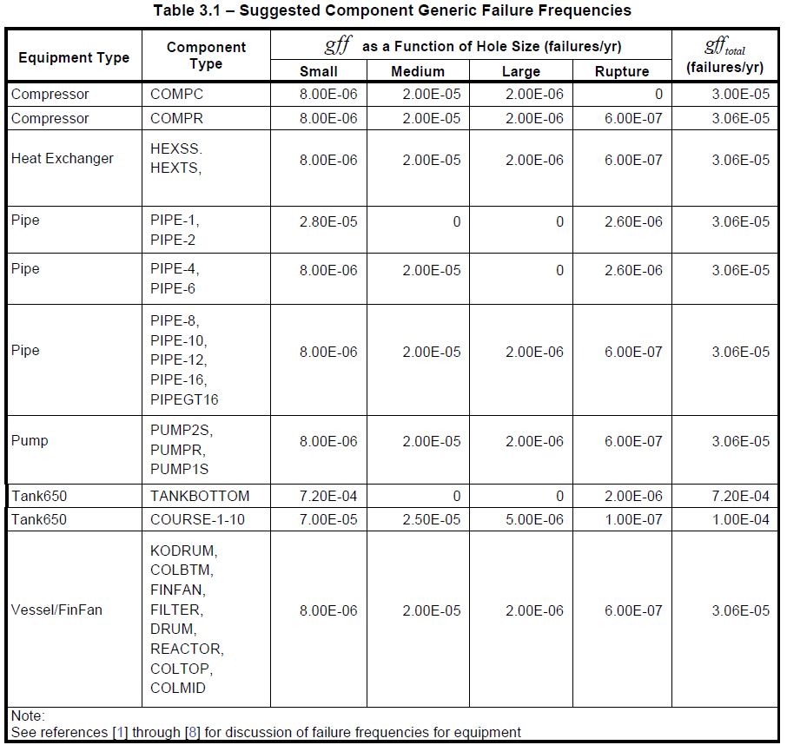
 | (part 2, Pag 4) The GFFs are assumed to follow a log-normal
API 581 Table 3.1 (part 2, Pag 9, Pag 133/632 API-581-2016) | distribution, with error rates ranging from 3% to 10%. Median values are given in Table 3.1. The data presented
 | in the Table 3.1 is based on the best available sources and experience to date from owner-users.
 | The overall GFF for each component type was divided across the relevant hole sizes, i.e. the sum of the generic
 | failure frequency for each hole size is equal to the total generic failure frequency for the component.

 | Fail/yr | Failure/1Millon hr
 | 3.00E-05 | 0.0034246575342
 | 3.06E-05 | 0.0034931506849

 | 3.06E-05 | 0.0034931506849

 | 3.06E-05 | 0.0034931506849

 | 3.06E-05 | 0.0034931506849 | 0.0034931506849

 | 3.06E-05 | 0.0034931506849 | 0.0034931506849

 | 3.06E-05 | 0.0034931506849

 | 7.20E-04 | 0.082191780822
 | 1.00E-04 | 0.011415525114

 | 3.06E-05 | 0.0034931506849

Chi-Square
 |  |  | 2 | 0.10258658878
...
 |  |  |  | MATRIZ "UPPER CHI_SQUARE"
0.0100 | 0.0050 | 0.0010 |  | Z0,95/Z0,50 | n | 0.95 | 0.5 | 0.05 | (n)(Z0,50)
6.6349 | 7.8794 | 10.8276 |  | 0.0086 | 1 | 0.0039 | 0.4549 | 3.8415 | 0.45493642312
9.2103 | 10.5966 | 13.8155 |  | 0.0740 | 2 | 0.1026 | 1.3863 | 5.9915 | 2.7725887222
11.3449 | 12.8382 | 16.2662 |  | 0.1487 | 3 | 0.3518 | 2.3660 | 7.8147 | 7.0979216531
13.2767 | 14.8603 | 18.4668 |  | 0.2117 | 4 | 0.7107 | 3.3567 | 9.4877 | 13.42677592
15.0863 | 16.7496 | 20.5150 |  | 0.2632 | 5 | 1.1455 | 4.3515 | 11.0705 | 21.757300955
16.8119 | 18.5476 | 22.4577 |  | 0.3058 | 6 | 1.6354 | 5.3481 | 12.5916 | 32.088723765
18.4753 | 20.2777 | 24.3219 |  | 0.3415 | 7 | 2.1673 | 6.3458 | 14.0671 | 44.420678369
20.0902 | 21.9550 | 26.1245 |  | 0.3721 | 8 | 2.7326 | 7.3441 | 15.5073 | 58.752971982
...

